VOI_JEANS_SEAWOOD
Store :- |  | VOI JEANS SEAWOOD
Location :- |  | MUMBAI
Total Stock Capacity :- |  | 1668

Sno. | Fixture Type | Fixture Name | Fixture Image | Capacity (Style Wise ) | Capacity (quantity Wise ) | Hanging Option | Stacking Option | Quatity | TOTAL
1 | WALL FIXTURE | Theme Unit |  | 19 | 95 | 20 | 75 | 1 | 95
 |  | TOP UNIT - Hanging |  | 12 | 60 | 20 | 40 | 4 | 240
 |  | TOP UNIT - Stacking |  | 20 | 100 | 0 | 100 | 3 | 300
 |  | Denim Unit - 4' |  | 19 | 70 | 10 | 60 | 2 | 140
 |  | Denim Unit - 1'2" |  | 7 | 35 | 0 | 35 | 2 | 70

2 | Floor Fixture | Denim table | 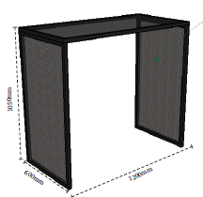 | 6 | 24 | - | - | 2 | 48
 |  | Denim Side table |  | 3 | 12 | - | - | 4 | 48
 |  | 2- Way browser- Bottom |  | 12 | 12 | - | - | 1 | 12
 |  | 2- Way browser- Top | 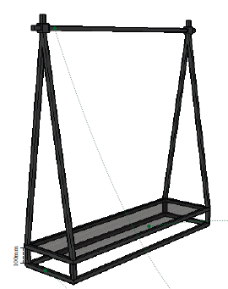 | 15 | 15 | - | - | 1 | 15

3 | Storage Fixture | Storage on floor |  | - | 20 |  |  | 14 | 280
 |  | Stock Room Storage |  |  | 140 |  |  | 3 | 420

 |  |  |  |  |  |  | TOTAL |  | 1668

VOI_JEANS_LUCKNOW
Store :- |  | VOI JEANS Phoenix Lucknow
Location :- |  | Lucknow
Total Stock Capacity :- |  | 1617

Sno. | Fixture Type | Fixture Name | Fixture Image | Capacity (Style Wise ) | Capacity (quantity Wise ) | Hanging Option | Stacking Option | Quatity | TOTAL
 | WALL FIXTURE | TOP UNIT - Hanging 1 |  | 4 | 20 | 20 | - | 1 | 20
 |  | TOP UNIT - Hanging 2 | 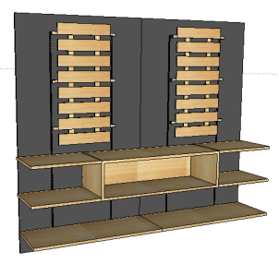 | 14 | 70 | 10 | 60 | 3 | 210
 |  | TOP UNIT - Stacking |  | 12 | 60 | 0 | 60 | 4 | 240
 |  | Denim Unit - Stacking | 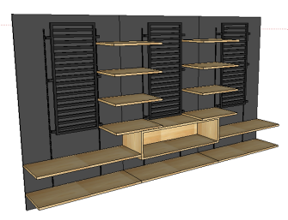 | 8 | 40 | - | 40 | 3 | 120
 |  | Denim Unit - Hanging |  | 10 | 50 | 10 | 40 | 4 | 200
 |  | Denim Shelves | 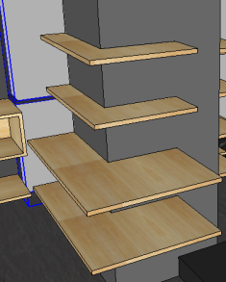 | 5 | 25 | 10 | 40 | 3 | 75

2 | Floor Fixture | Denim table |  | 12 | 48 | - | - | 2 | 96
 |  | Denim Side table |  | 12 | 48 | - | - | 1 | 48
 |  | 4- Way browser- Bottom |  | 24 | 24 | - | - | 1 | 24
 |  | 4- Way browser- Top |  | 6 | 24 | - | - | 1 | 24

3 | Storage Fixture | Storage on floor |  | - | 0 |  |  | 0 | 0
 |  | Stock Room Storage |  |  | 140 |  |  | 4 | 560

 |  |  |  |  |  |  | TOTAL |  | 1617

VOI_JEANS_PANJAGUTTA
Store :- |  | VOI JEANS L&T PANJAGUTTA
Location :- |  | HYDRABAD
Total Stock Capacity :- |  | 1774

Sno. | Fixture Type | Fixture Name | Fixture Image | Capacity (Style Wise ) | Capacity (quantity Wise ) | Hanging Option | Stacking Option | Quatity | TOTAL
 | Wall Fixture | TOP UNIT - 1 | 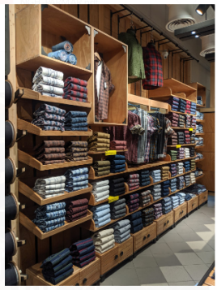 | 88 | 440 | 20 | 420 | 1 | 440
 |  | TOP UNIT - 2 |  | 7 | 35 | 15 | 20 | 1 | 35
 |  | TOP UNIT - 3 | 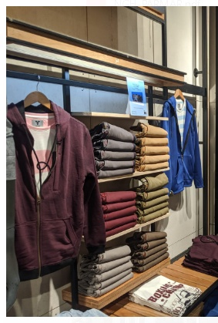 | 13 | 65 | 15 | 50 | 1 | 65
 |  | Denim Unit - Hanging | 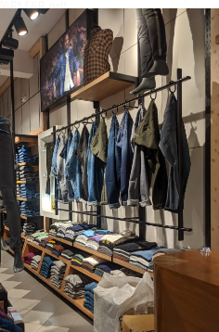 | 40 | 200 | 8 | 192 | 1 | 200
 |  | Denim Unit - Staking | 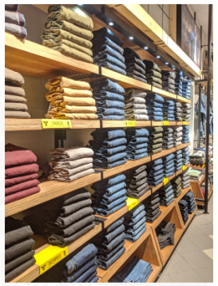 | 48 | 240 | - | 240 | 1 | 240

2 | Floor Fixture | Denim table 1 |  | 18 | 48 | - | - | 3 | 144
 |  | Nesting Table | 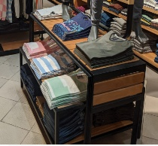 | 10 | 50 |  |  | 1 | 50
 |  | 2- Way browser- Bottom | 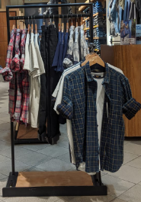 | 8 | 40 | - | - | 1 | 40
 |  | 2- Way browser- Top |  | 8 | 40 | - | - | 1 | 40

3 | Storage Fixture | Storage on floor |  | - | 20 |  |  | 5 | 100
 |  | Stock Room Storage |  |  | 140 |  |  | 3 | 420

 |  |  |  |  |  |  | TOTAL |  | 1774

VOI_MANTRI_MALL
Store :- |  | VOI JEANS MANTRI MALL
Location :- |  | BANGALORE
Total Stock Capacity :- |  | 1732

Sno. | Fixture Type | Fixture Name | Fixture Image | Capacity (Style Wise ) | Capacity (quantity Wise ) | Hanging Option | Stacking Option | Quatity | TOTAL
 | Wall Fixture | TOP UNIT - Hanging 1 | 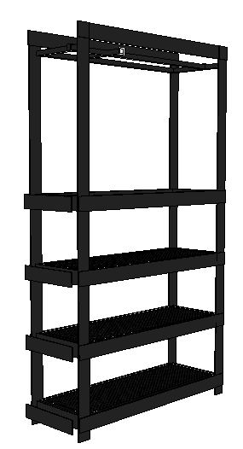 | 19 | 95 | 20 | 75 | 2 | 190
 |  | TOP/bottom UNIT - Stacking |  | 42 | 210 | - | 210 | 1 | 210
 |  | TOP/bottom UNIT - Hanging 1 |  | 8 | 40 | 15 | 25 | 1 | 40
 |  | TOP UNIT - Long Hanging | 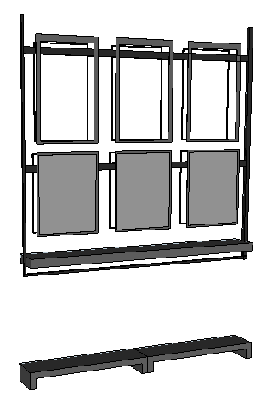 | 32 | 160 | 60 | 100 | 1 | 160
 |  | TOP UNIT - Hanging 2 |  | 8 | 40 | 20 | 20 | 2 | 80
 |  | Denim Unit - Stacking | 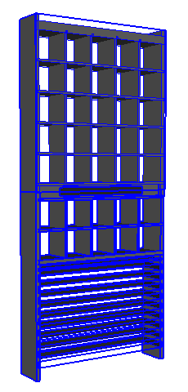 | 45 | 225 | 15 | 210 | 1 | 225
 |  | Denim Unit - Hanging |  | 12 | 60 | 20 | 40 | 2 | 120

2 | Floor Fixture | Denim table | 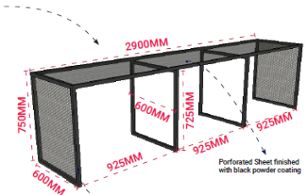 | 20 | 100 | - | - | 1 | 100
 |  | Denim table - Small table |  | 3 | 15 |  |  | 6 | 90
 |  | 2- Way browser- Bottom |  | 24 | 24 | - | - | 1 | 24
 |  | 2- Way browser- Top |  | 6 | 24 | - | - | 1 | 24

3 | Storage Fixture | Storage on floor |  | - | 20 |  |  | 2 | 40
 |  | Stock Room Storage |  |  | 140 |  |  | 3 | 420

 |  |  |  |  |  |  | TOTAL |  | 1723

